QUIZ2
Age | Income | NumberofCards | Score | X1Y | X1X1 | X2Y | X2X2 | X3Y | X3X3 | bo | Y'
35 | 35 | 3 | 90 | 3150 | 1225 | 3150 | 1225 | 270 | 9 | 59.843527272 | 90 | 0
22 | 50 | 2 | 20 | 440 | 484 | 1000 | 2500 | 40 | 4 | 20 | 20 | 0
63 | 200 | 1 | 30 | 1890 | 3969 | 6000 | 40000 | 30 | 1 | 30 | 30 | 0
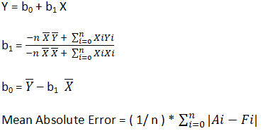
59 | 170 | 1 | 10 | 590 | 3481 | 1700 | 28900 | 10 | 1 | -4090 | 10 | 0
25 | 40 | 4 | 80 | 2000 | 625 | 3200 | 1600 | 320 | 16 | 87.652656622 | 80 | 0
40.8 | 99 | 2.2 | 46 | 1876.8 | 1664.64 | 4554 | 9801 | 101.2 | 4.84 | 46 | 46 | 0
X1 | X2 | X3 | Y | 9946.8 | 11448.64 | 19604 | 84026 | 771.2 | 35.84 |  | E= | 0

Y = b0 + b1X1+b2X2+b3X3 |  |  |  |  | b1= | -1314 | -0.89950711939
 |  |  |  |  |  | 1460.8
b0 = | Y -b1X1 - b2X2-b3X3

 |  |  |  |  | b2= | -7720 | -0.30610626487
 |  |  |  |  |  | 25220

 |  |  |  |  | b3= | 164 | 24.117647059
 |  |  |  |  |  | 6.8

